2
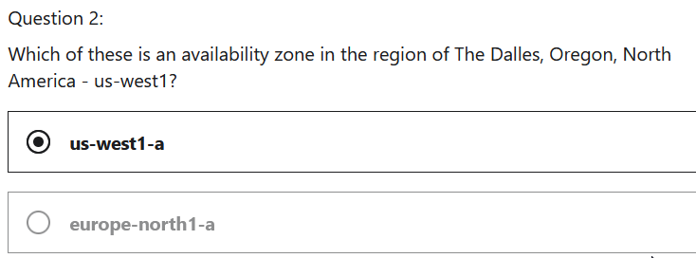

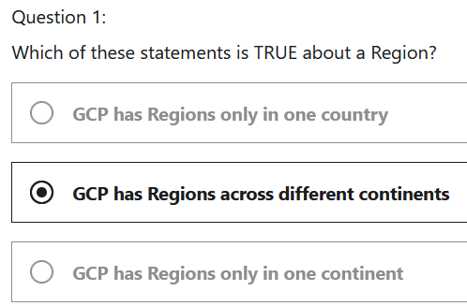

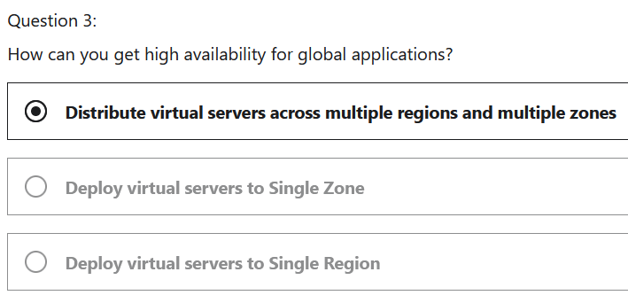
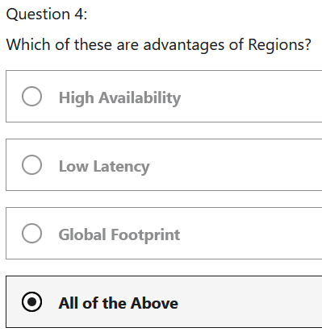

3
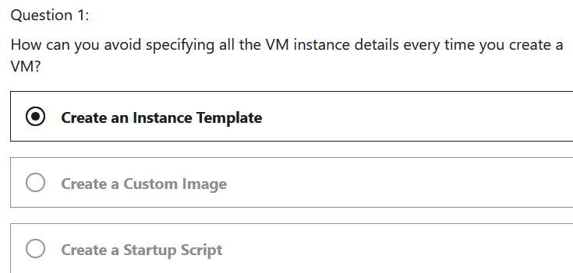
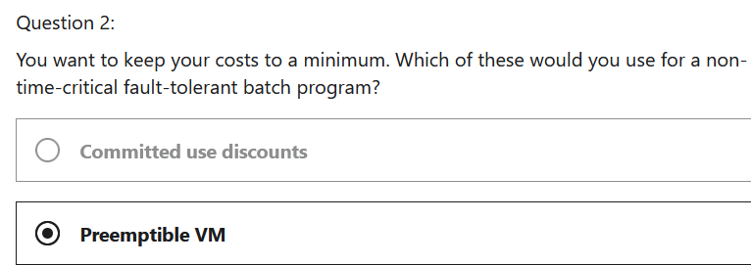

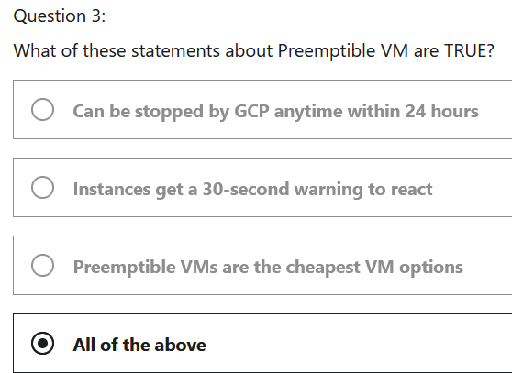
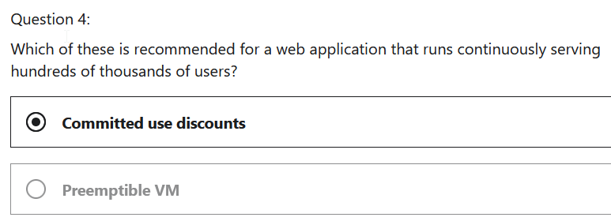

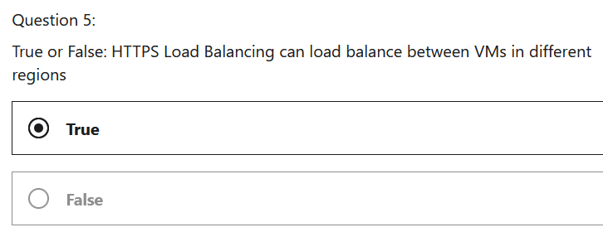

4
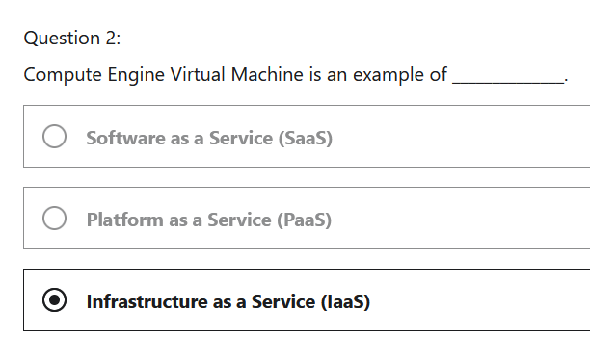
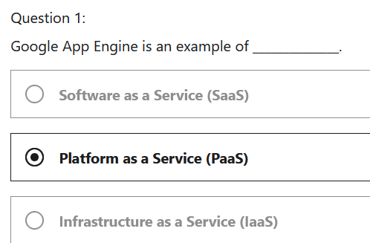

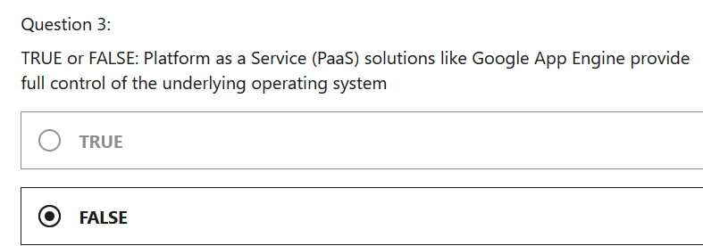
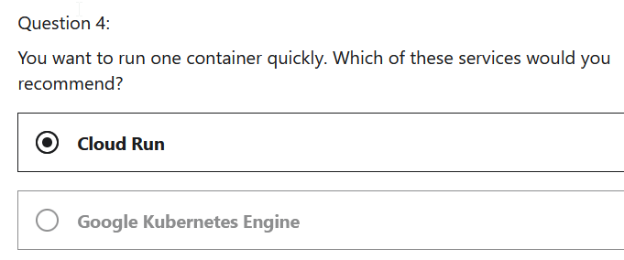

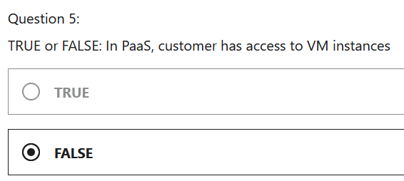
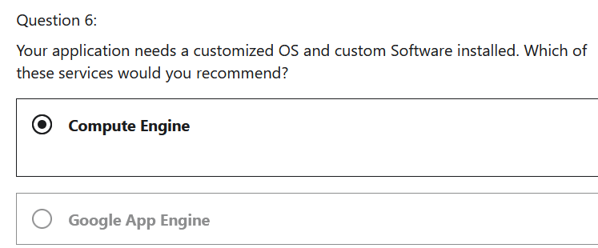

5
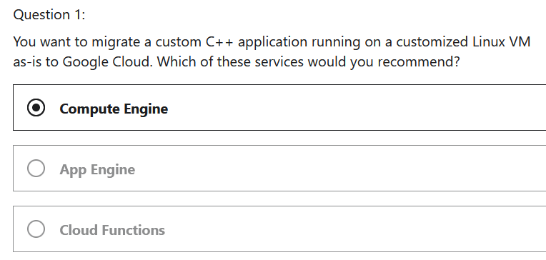
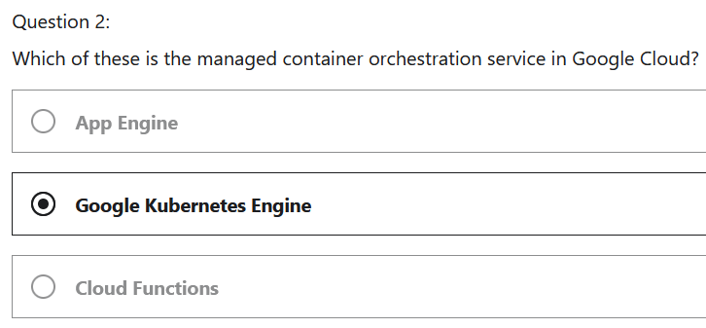

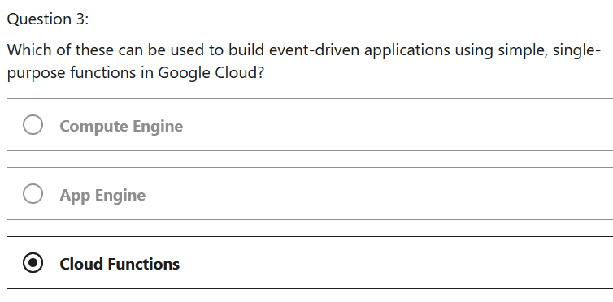
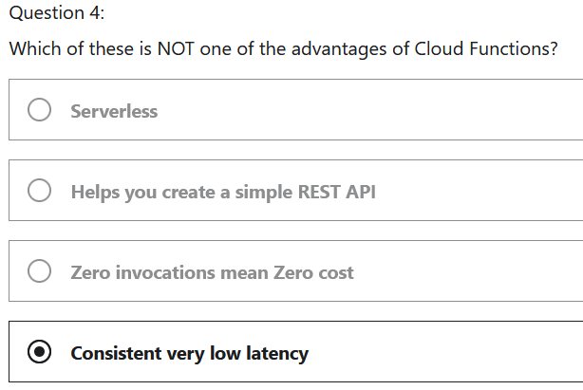

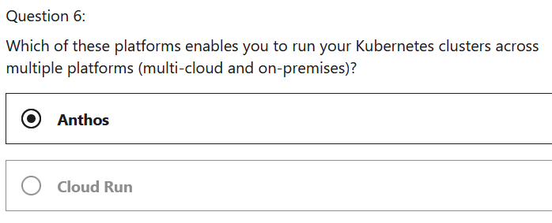
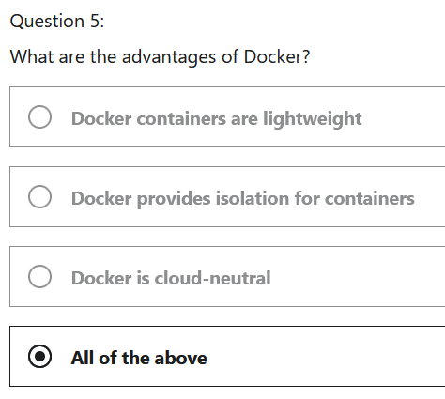

6
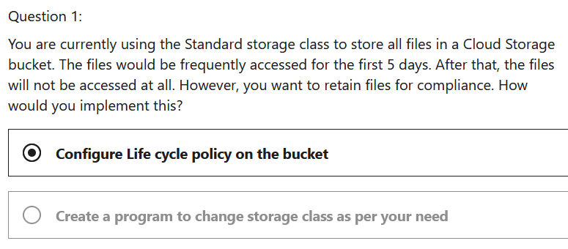
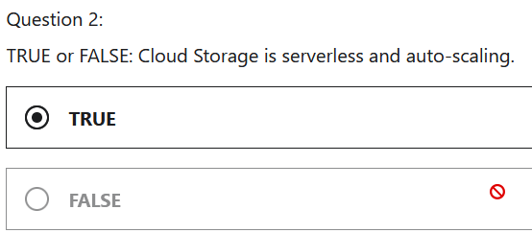

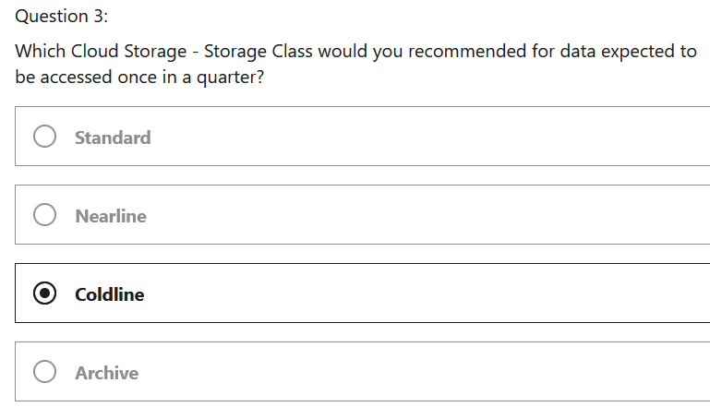
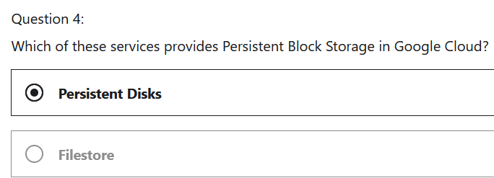

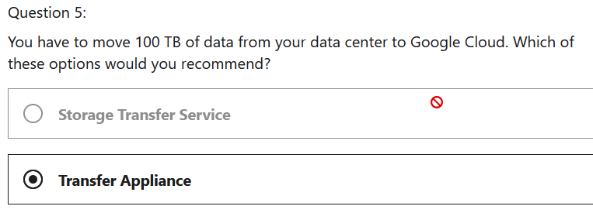

7
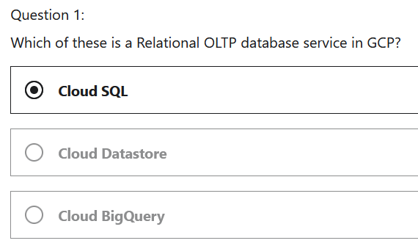
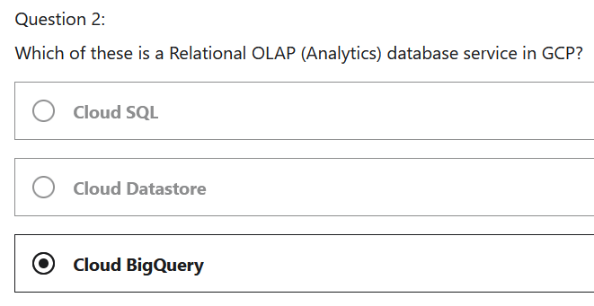

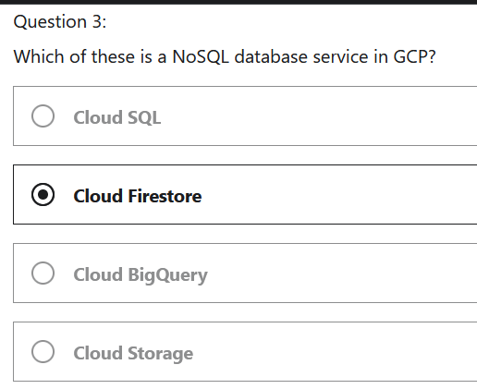
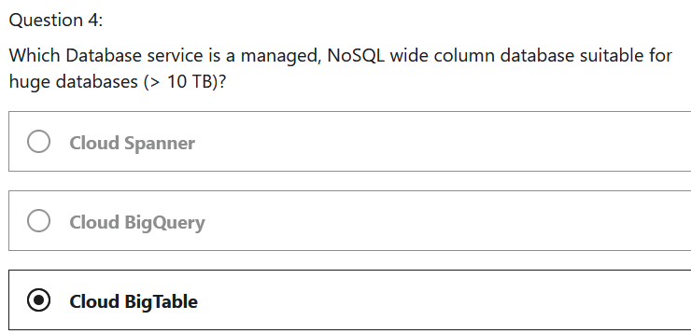

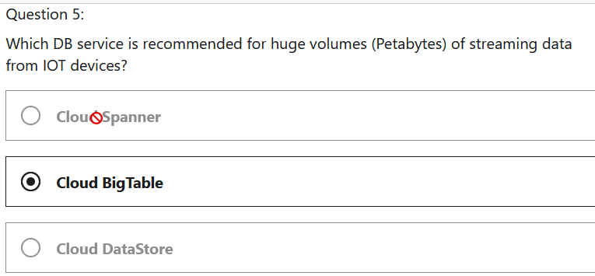

9
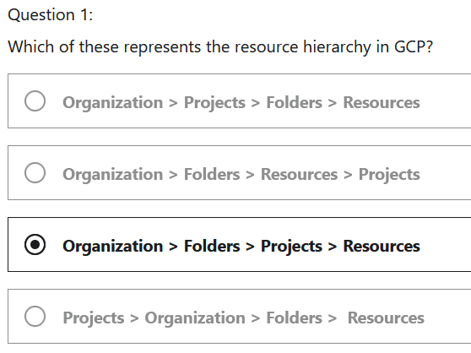
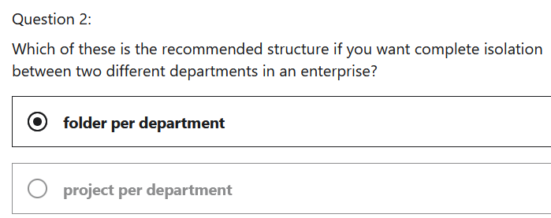

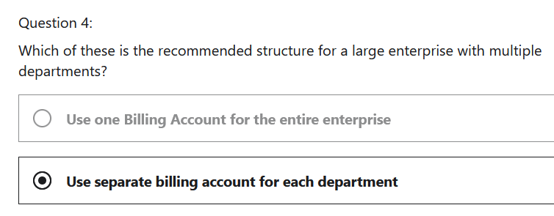

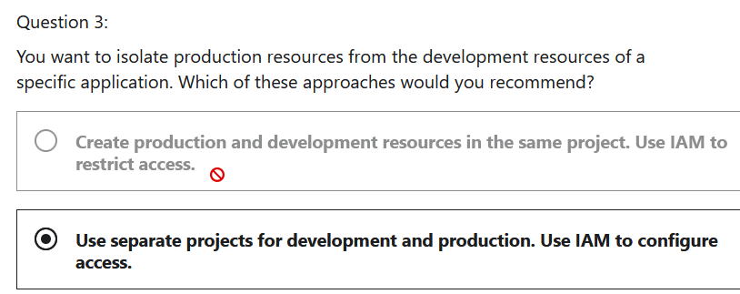

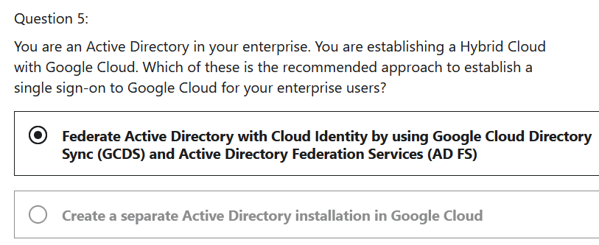
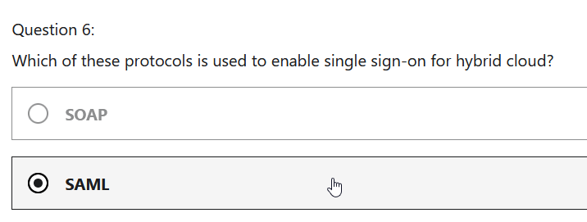

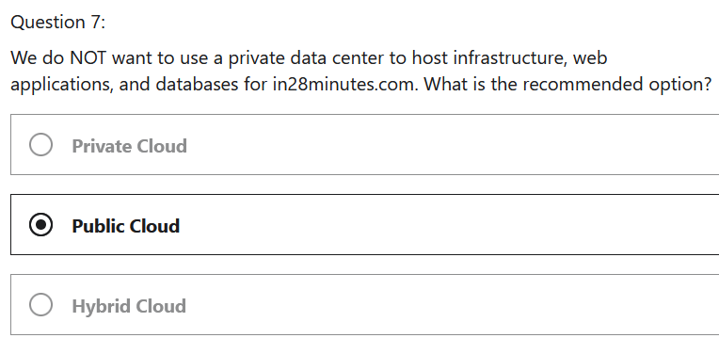
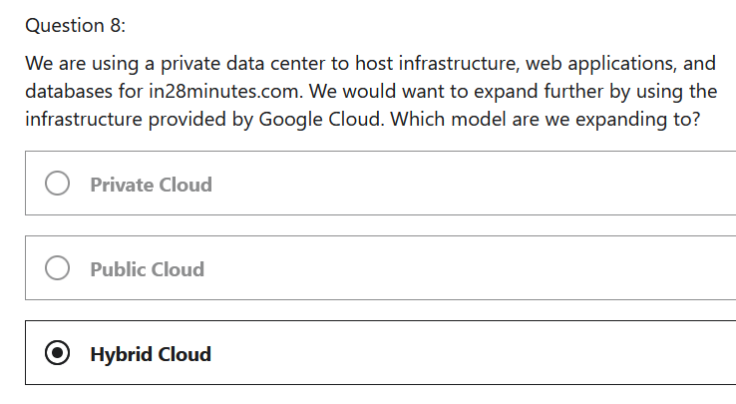

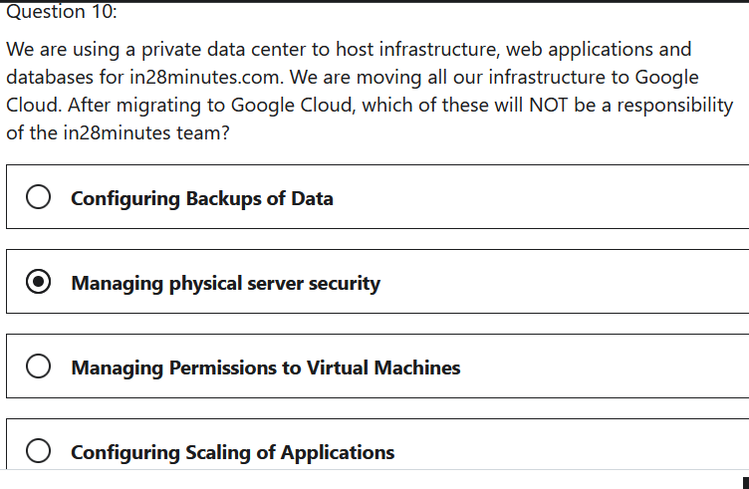
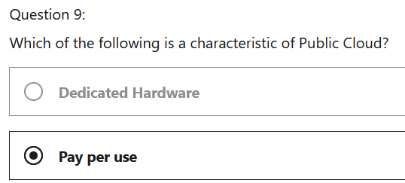

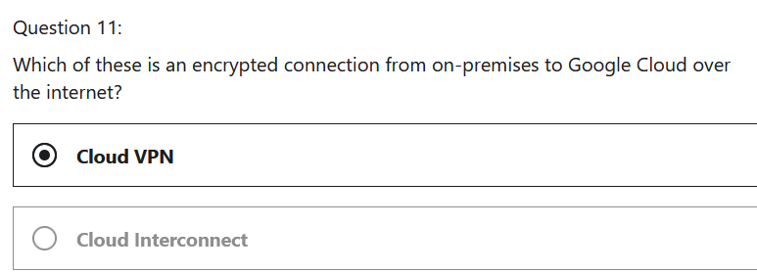
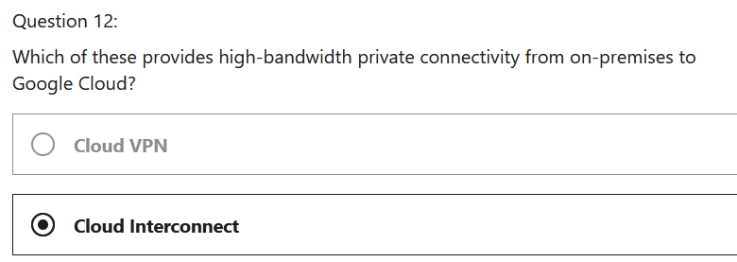

11
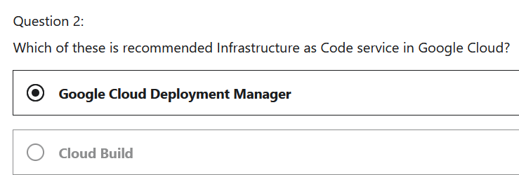

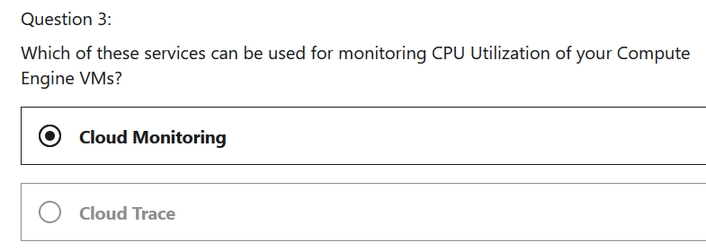
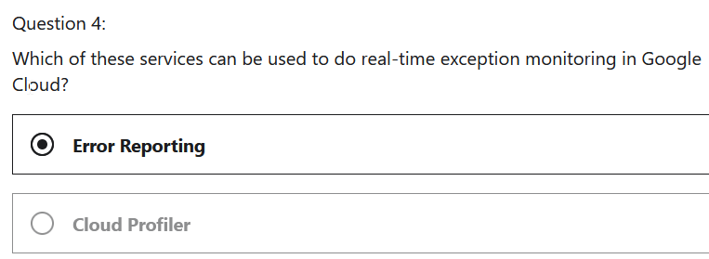

13
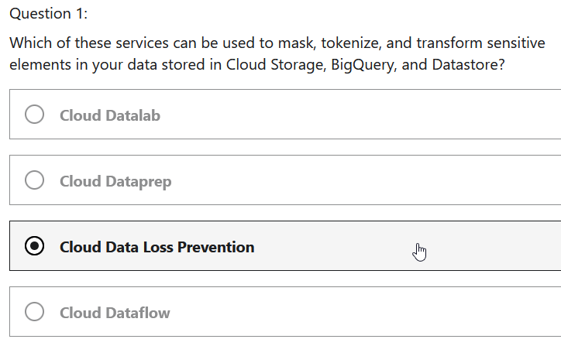
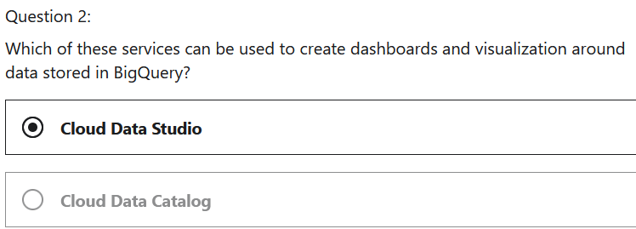

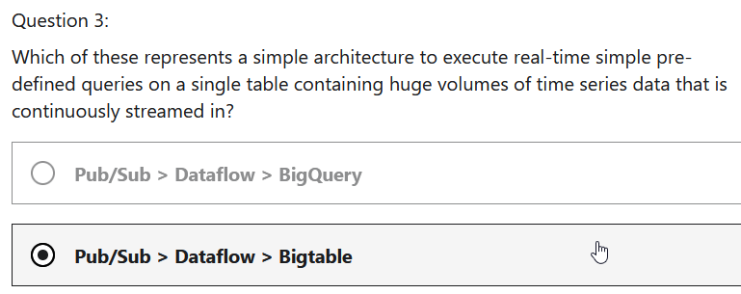
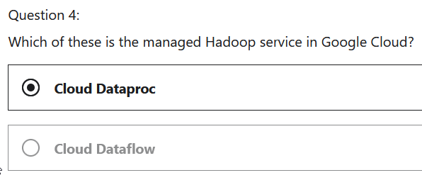
















15






SERVICES
Acronymn | Name | Desc
 | CATEGORY: BASIC COMPUTE SERVICES
GCE | Google Compute Engine | Windows or Linux VMs (IaaS), when you need OS control or you want to run custom software
 | Preemptible VMs | Short ived VMs for non time-critical workloads
 | Sole-tenant Nodes | Dedicatd Physical Servers
 | Vmware Engine | Run Vmware workloads in Google Cloud
 | Managed Instance Groups | Create multiple Compute Engine VMs
 | Cloud Load Balancing | Balances load to multiple instance sfo an appplication or servie ( a networking solution)

 | CATEGORY: MANAGED COMPUTE SERVICES
 | App Engine | PaaS. Deploy web apps and RESTful APIs quickly
 | Cloud Run | Run isolated containers, without orchestration (Serverless). DO NOT need to provision and manage VMs. Start containers in seconda. Knative compatible
GKI | Kubernetes Engine | Managed Kubernetes Service. Provides container orchestration
 | Cloud Functions | Serverless compute for event-driven apps
 | Anthos | Manage Kubernetes in Multi-cloud and On-Prem
 | Firebase | Googl's mobile polatform. Build Apps for IoS, Android, the web, C++, and Unity

 | CATEGORY: STORAGE
 | Persistent Disk | Block Storage for Vms
 | Local SSD | Local ephermeral block storage for your VMs
 | Cloud FileStore | File shares in the cloud
 | Cloud Storage | Object Storage in the cloud

 | CATEGORY: DATABASES - MANAGED SERVICES
 | Cloud SQL | regional Relational OLTP DB (MySQL, PostgreSQL, SQL Server)
 | Cloud Spanner | Global Relational OLTP DB. Unlimited scale and 99.999% avail for global apps with horizontal scaling
 | Cloud Firestore (Datastore) | Apps needing quickly evolving structure (schema-less). Serverless transactional document DB supporting mobile and web apps. Small to Med DBs (0 - few TBS)
 | Cloud BigTable | Large DBs (10TB - PBs). Streaming (IOT) , analytical & operational workloads. NOT SERVERLESS
 | Cloud Memorystore | In memory DBs/cache. Applications needing microsecond responses (Reddis and Memecached)

 | CATEGORY: STREAMS, ANALYTICS, BIG DATA … - MANAGED SERVICES
 | Cloud Pub/Sub | Realtime Messaging in the cloud
 | BigQuery | Relational OLAP databases. Datawarehousing & BigData workloads
 | BigQuery ML | Simplified Machine Learning using data in BigQuery
 | Cloud Dataflow | Serverless Stream and Batch processing using Apache Beam (open-source)
 | Dcloud Dataproc | Managed Service for Spark and Hadoop. Not serverless (needs cluster management).
 | Cloud Data Fusion | Visually manage your data pipelines
 | Data Studio | Visualize data
 | Looker | Enterprise Business Intelligence

 | CATEGORY: MIGRATION - MANAGED SERVICES
 | Database Migration Service | Migrate to Cloud SQL
 | Storage Transfer Service | Online Transfer to Cloud Storage
 | Transfer Appliance | Physical transfer using an appliance
 | Migrate for Compute Engine | Migrate VMs and VM storag eto GCE from Vmware, Microsoft Azure, Amazon EC2…
 | Migrate for Anthos | Migrate VMs and GKE containers
 | BigQuery Data Transfer Service | Migrate your analytics data

COST MANAGEMENT:
TCO | Total Cost of Ownership | Consumption-Based vs Fixed-price Pricing Models
 | Infrastructure | Consumption Based - Cloud Functions
 | IT Personnel Costs | Fixed-Price -> VM instance, or GKI Cluster
 | Software Costs
 | Electricity Costs
 | … | Expenditure Models: CAPEX vs OPEX

 |  | Cost Factors:
 |  | Resource Type and config
 |  | usage meters
 |  | Region
 |  | Data xfers - inbound free

 |  | Pricing Calculator: cloud.google.com/products/calculator

 | GCP Cost Mgmt: Tools for monitoring, controlling and optimizing costs
 | Reports
 | Cost Billing Reports | 10000 foot overview of usage
 | Cost Table Report | Detailed View
 | Cost breakdown | Base usage costs, credits, adj and taxes
 | Budgets and alerts | Budgets and get alerted by email or Pub/Sub
 | Commitments | commited use discounts, for discount sharing across projects for analysis
 | BigQuery Export | Sends billing data to a BigQuery data set
 | Account Management | Manage projects linked to this billing account

 | Managing Costs - Best Practices
 | Group Resources | Folders, Projects, Labels, etc…
 | Regular Costs Reviews | weekly (CapEx (Ahead of time) -> OpEx (regular reviews)
 | Estimate Costs | Pricing Calc
 | Use Cost Management Features | Costs Table reports, Budgets and Cost Alerts etc.
 | Others | Stop Resources when you don't need them
 |  | Use Managed Services (PaaS >>> IaaS)
 |  | Reserve VMs for 1 or 3 years (Committted use discounts)
 |  | Use preemptible VMs for fault tolerant non-critical workloads
 |  | Involve all teams - exc, mgmt, business, tech and finance

 | Digital Xformation
 | Enterprises can ADAPT By | Awesome customer experiences
 |  | Getting intelligence from data (Big Data, AI/ML)
 |  | Enabling themselves to make changes faster (agility)

 | Focus on HOW, not WHY | Increase pace of change, Revenue Growth, Cost Savings, Higher customer engagement/retention

 | Cloud -Enabler
 | Moder Architectures | Microservices, Serverless, Containers, Kubernetes
 | More Agile Processes | DevOps, SRE
 | Right Talent
 | Right Culture | Data driven experimentation and innovation

 | Cloud Mindset:
Factor | Data Center | Cloud
Infrastructure | Buy | Rent
Planning | Ahead of time | Provision when you need it
Deploymt | Vms | PaaS or Containers or Serverless
Team | Specialized Teams | T-shaped skills
Releases | Manual | CI/CD w flexible release options (Canary, A/B Testing…)
Infra Create | Manual | IaaC
Attitude | Avoid Futures | Move Fast by Reducing Cost of Failure (Automation of testing, releases, infra creation and monitoring)

Google Cloud Adoption Framework:
 | Four Themes
 | Learn
 | Lead
 | Scale
 | Secure

 | Three Phases
 | Tactical | move to cloud - minimum changes
 | Strategic | Move some degree of in isolated part of an enterprise
 | Tranformational | Fully invested in Cloud

Infrastructure Modernization
 | Lift and Shift | Virtual Desktop solutions, VMWare as solution, Bare metal, Migrate for Compute Engine
 | Benefits | Lower costs, reduced focus on infra

Application Modernization
Migrate to PaaS or Serverless Offering
 | Containerization
 | Container Orchestration
 | Cloud DB/WH
Use DevOps and SRE practices (Cloud Build, Cloud Monitoring…)
 | Reduce cost/fail

Benefits: |  | Managed Services Simpoly app maintenance and lifecycle: Cloud Build, Cloud Monitoring and Cloud Logging
 |  | Additional innovation provided by Managed Services: BigQuery ML

Business Platform Modernization
No move to cloud |  | Cloud Applications
 |  | API Management
 |  | Legacy Application

Loose Coupling with Pub/Sub
 | Microservices Architectures
 | IOT Architectures
 | Streaming Architectures

Cloud Dataproc
Managed Spark and Hadoop |  | perform complex batch processing
Multiple Cluster nodes |  | single node/standard/HA
Use Case: | Move Hadoop and Spark clusers to the cloud
(ALT) BigQuery | When you run SQL queries on Pedabytes
(ALT) Dataflow | Simple pipelines wo managing clusters

Architecture: Big Data Flow - Batch Ingest
ETL |  | extract, transform, and load to load data into BigData
 | Dataprep | intelligent data service for visually exploring cleaning and prepping data for analysis, reporting and ML
 | Dataflow | Create data pipelines (and ETL)
 | Dataproc | complex processing using Spark and Hadoop
Data Studio |  | Visualize data in BigQuery
Looker |  | Enterprise Business Intelligence

Architecture 2: Streaming Data
 | Pub/Sub | receive messages
 | Dataflow | Analyze, aggregate and filter data
 | Bigtable | gives you ability to perform reapit analysis
 |  | ad hoc complex analysis prefer BigQuery

Architecture 3: IOT
 | IOT Core | manages IOT (register, auth, authorization)
 | Pub/Sub | Durable message ingestion service (allows buffering)
 | Dataflow | Processing data (ETL & more)
 | Data Storage and Analytics | IOT data avail to mobile or web apps =>Datastore
 |  | Execute pre-defined time series queries=> Bigtable
 |  | More complex or ad hoc analytics/analysis=>BigQuery

Data Lake - |  | Simplified Big Data Solutions
GCP Data Lakes |  | Storage and Ingestion
 | Storage | Cloud Storage
 | Ingestion | Cloud Pub/Sub _ Cloud Dataflow OR Batch - Transfer Service + Transfer Appliance + gsutil
 | Processing and Analytics - BigQuery (or Hive on Dataproc)
 | Data Mining and Exploration - Clean and Tranform raw data with Dataprep

REST API Challenges

API management in Google Cloud
 | Apigee API Management
 | Cloud Endpoints | Basic API Management for Google Cloud backends
 | API gateway | simpler to setup, suports REST api and gRPC

AI - all around you:
 | Self driving cars
 | Spam Filters
 | Email Classification
 | Fraud Detection

Strong AI | (or general AI) | Intelligence of machine = intelligence of human - Learns like child building on expereiences, solves problems, learns and plan for future
Narrow AI | (or weak AI) | Focuses on specific tasks - ML, Self-driving cars

ML - 10000 Feet Overview
traditional programming - based on rules
ML - learning from examples

ML in Google Cloud - Pre-Trained models
 | Speech-ToText API
 | Text-to-Speech API
 | Translation API
 | Natural Language API
 | Cloud Vision API | generic use cases, ie identify cloud in picture, classify images into predefined categories, deletes objects and faces, reads printed words

ML in Google Cloud - Custom Models
1. Simply Building of Custom Models
 | AutoML:
 | AutoML Vision: | Build customer models based on images
 | cannot use Visual API for type, need Auto ML

2. have Data Scientist build complex models
3. BigQuery ML: Build ML models using Queries
4. Vertix AI | Build and deployML models faster

Faster ML in Google Cloud - TPU |  | tensor processing units
 | fine tuned ML workloads
 | 20-30x faster
 | quickly iterate ML solutions
 | Supported Google Compute Engine, GKE and AI Platform
 | AI Platform Deep Learning VM Image

Challenges in Building AI Solutions:
 | Obtaining good datasets
 | Evolving field | AI system causing errors
 | MLOps | ML Lifecycle
 | Security
 | Explainability of Model - trust
 | Who is responsible

Responsible AI Principles:
 | Fairness
 | Reliability and Safety
 | Privacy and security
 | Inclusiveness
 | Transparency
 | Accountability

ML Scenarios:
Translate spoken languages |  | Prebuild Model - Translation API
Convert speech to text |  | Prebuilt Model - Speech to Text API
Generic ID of objects in image |  | Prebuilt Model - Cloud Vision API
identify type of cloud or part |  | AutoML Vision
Simplify implement of ML Ops |  | Vertex AI

Firebase: |  | Googles mobile platform for iOS, Android, web , C++ and Unity
 |  | Serverless
 |  | Simplified Auth and Sign-in
 |  | Simplified Monitoring and Analytics
 |  | Send and receive push msgs: Cloud Messaging
 |  | Store user generated content: Cloud Storage
 |  | Simplifies PM: Integratoin with Slack, JIRA etc…

Exploring Container Registry and Artifact Registry
 | for storing docker images fro your microservices
 | Container Register | GCS Bucket to store images
 | Artifact Registry | Evolution of Container Registry, manages both container images and non-container artifacts
 |  | uses separate repo, not GCS buckets
 |  | can be regional or multi-regional
 |  | (RECOMMENDED) Control access by using Artifact Registry Roles
 |  | Reader, Writer, Register Admin

Monolith to Microservices: Application Modernization
 | Prefer Managed Services
 | Prefer Containers and Container orchestration
 | Prefer Stateless, Horizontally Scalable Microservices
 | use Automation (DevOps, SRE-CI?CD)

Exploring Google Cloud Security Offerings
 | KMS | cryptographic keys (symmetric and assymetric) - Control their use in your apps and GCP services
 | Secret manager | manage db passwords, API keys securely
 | Cloud Data Loss Prevention - integrates with Cloud Storage, BigQuery, and Datastore; Provdies APIs that can be involked from apps, mask sesntive data (Credit cards, SSN, clear text, creds)
 | Cloud Armor | protects DOS and Common Web Attacks (OWASP Top 10) like Xss (cross-site scritping) and SQL injection

Exploring Google Cloud Security Offerings -2
Web Security Scanner |  | Identify vulnerability by running secruity tests. (ie Cross-site scripting (XSS)
Binary Authorization |  | Ensure that only trusted container images are deployed to Google Cloud
Container Threat Detection |  | Detects container runtinme attacks - added binary exectured
Security Command Center |  | Consolidate picture of secrurity in Google Cloud. Provides intelligent risk dashboard and analytics system

Cloud Dataflow |  | (data xform service like Mulesoft)
 | Pipeline like | Pub/Sub>Dataflow>BigQuery (Streaming)
 |  | Pub/Sub>Dataflow>Cloud Storage (Streaming - files(
 |  | Cloud Storage > Dataflow > Bigtable/Cloudspanner/Datastore/BigQuery (Batch - Load data into DBs)
 |  | Build cmpress files in Cloud Storage Batch
 | Streaming and Batch UseCases - Realtime Fraud Detection, Sensor Data Processing, Log Data Processing Batch Processing
 | Use pre-built templates
 | Based on Apache Beam | Supports java, python
 | Serverless (and Autoscaling)

DevOps - CI, CD
 | Continuous Integration
 | Continuous Deployment
 | Continuous Delivery

DevOps - CI, CD - Recommended Things to Do
 | Static Code Analysis | Lint, Sonar
 |  | Static Security Checks (source code security analyser software like Veracode)
 | Runtime Checks | Run vulnerability scanners (automated tools that scan web apps for security vulnerabilities)
 | Tests | Unit Tests (Junit, Pytests, Jasmine etc)
 |  | Integration Tests (Selenium, Robot Framework, Cucumber, etc)
 |  | System Tests (Selenium, Robot Framwork, Cucumber etc)
 |  | Sanity and Regression Tests

DevOps - CI, CD Tools
Cloud Source Repos
Container Register |  | Store Docker images
Jenkins |  | Continuous Integration
Cloud Build |  | Build deployable artifacts (jars or docker images) from your source and configs
Spinnaker |  | Multi-cloud continuous delivery platform
 |  | Release software changes with high velocity and confidence
 |  | Supports deployments to Google Compute Engine, CKE, Google App Engine and other Cloud Platforms
 |  | Supports multiple Deployment Strategies

DevOps - Infrastructure as Code
Two Key Parts
Infrastructure Provisioning |  | compute, open source cloud neutral (Terraform), Google Cloud Deployment Manager
Configuration Management |  | Right software and tools on provisioned structures, Check Puppet, Ansible. SaltStack

Operations
Monitoring - Metrics and Alerts |  | Cloud Monitoring
Centralized Logging |  | Cloud Logging
Audit Logging |  | Cloud Audit Logs
Real-time exception monitoring |  | Error Reporting
Live Debugging |  | Cloud Debugger
Distributed Tracing |  | Cloud Trace
Statistica, low-overhead profiler |  | Cloud Profiler

Site Reliability Engineering (SRE) |  | Focus on every aspect of an application
DevOps++ at Google
Key Priniciples:
 | Manage by Service Level Objectives (SLO)
 | Minimize Toil
 | Move Fast by Reducing Cost of Failure
 | Share Ownership with Developers

SRE - Key Metrics
SLI | Service Level Indicator - Quantative measure of an aspect of a service, typically aggregated to 1 min
SLO | Service Level Objective - 99.999 Avail, 99.99999 Durability, Response time 99th percental
 | SLI + target
SLA | SLO + consequences (contract) of NOT meeting SLO
Error Budgets | 100% - SLO
 | How well team is meeting reliability objectives
 | used to manage velocity

SRE - Best Practices
Handling Excess Loads
 | Load Shedding | API limits
 | Reduced Quality of Service
Avoid Cascading Failures
 | Plan to avoid thrashing | Circuit Breaker, Reduced Quality of Service

SRE - Best Practices-2
Penetration Testing (Ethical Hacking)
Load TESting (Jmeter, LoadRunner, Locust, Gatling etc…)

SRE - Best Practices-3
Resilience Testing
Resilience

Approaches
 | Chasos Testing (Simian Army)
 | Addd huge Stress on one of the layers
 | include network in testing
 | DiRT - Disaster recovery testing at Google

Going Bare Metal In The Cloud
Google Compute Engine: Create VMs
Go Bare Metal
 | Specialized workloads (SAP, HANA, Oracle DBs), high perf
 | 3rd party virtualization HW
 | Apps that require direct, low-level access to the server

Google Cloud Vmware Engine
VDI
Google Cloud VMWare Engine: Expand and Migrate (Lift and Shift) Vmware infra to Google Cloud

Migrate for Compute Engine
Migrate VMs and VM storage to GCE
allows you to test migration before making the move
Migrate VMs in batches or waves using VM groups

Phases:
 | Planing migration waves
 | (OPTIONAL) Pre-migration testing using Test-clones
 | Cutover to Cloud | Move VM to GCE
 |  | Migrate application storage to Google Cloud

Migrate for Anthos and GKE
Modernize apps by moving from VMs to Containers
source GCE VM operating systems: Linux or Windows
Supported Destination Platforms
 | GKE
 | Anthos
 | Anthos clusers on VMWARE
 | Anthos clusters on AWS

Section 9 | Hybrid Cloud
Organization->Folder->Project ->Resources

Organization
Folders |  | Folders for each DEPARTMENT
Projects |  | One project per application per environment (DEV, UA, STG, PROD)
Resources

Billing Accounts
Self Serve |  | billed directly to card
Invoiced

Managed Billing - Budgets, Alerts, and Exports
Cloud Billing Budget
 | Configure alerts
Billing Data export on schedule
 | to BigQuery
 | to Cloud Storage for history archiving

IAM Best Practices
Least Privilege
Separation of Duties
Constanct Monitoring
Use Groups when possible

Cloud Computing: Public vs Private vs Hybrid clouds

Cloud VPN |  | Connect on-premise network to GCP network
Two Types
 | HA VPN | only dynamic routering BGP
 | Classic VPN | 99.9 service avail, single external IP

Cloud Interconnect |  | High speed physical connection between on-prem and VPNC Networks
 | Dedicated Interconnect | 10Gbps or 100Gbps
 | Partner Exchange | 50Mb to 10Gbps

Data exchange happens thru private netowrk
Supports Google APIs and services private access from on prem
Use only for High Bandwidth needs

Direct Peering
Connect customer network to google network using network peering (Direct path from on-prem to Google)
Not a GCP Service
NOT RECOMMENDED |  | use Cloud Interconnect and Cloud VPN

User Ident Management in Google Cloud
Option 1 | Your Enterprise is using Google Workspace to manage users
Option 2 | Enterprise uses Identity Provider of its own - FEDERATION

Corporate Directory Federation
Federate Cloud Identity or Google Workspac with your External IDP (identity provider)
 | Enable SSO


Organization Policy Service
To configure Organization Policy
To disable creation of Service Accounts
To allow/deny creation of resources in specific regions
Requires a Organization Policy Administrator
IAM focuses on WHO
Organization policy focues on WHAT

SECTION 8 | CLOUD IAM

CLOUD IDENTITY AND ACCESS MGMT (IAM)
 | Authentication
 | Authorization
 | Identities | Users, groups, apps in GCP, apps in your DC, unauthenticated users
 | Granular control | perform single action, on specific resource, from specific IP, during specific time window

IAM - ROLES
 | Basic or Primitive roles | - Owner/Editor/Viewer
 | Predefined Roles | Fine grained roles predefined, managed by Google
 | Custom Roles | when predefined are not sufficient

MEMBER is also called as PRINCIPAL or IDENTITY

SERVICE ACCOUNTS
 | Use Service Accts | Ex: id-compute@developer.gserviceaccount.com
 | Service Acccount Types
 | Default | Not recommended
 | User Managed | User Created -RECOMMENDED
 | Google Managed | Created and managed by Google

SECTION 7 |  | DB IN GOOGLE CLOUD

 | RELATIONAL DBS | OLTP and OLAP Use cases
 | OLAP | ERP, CRM ecommerce, banking - large number of users make large number of small transactions
 |  | MYSQL, Oracle, SQL Server
 |  | Google Managed: Cloud SQL - Support sPostreSQL, MySQL and SQL Sever for up to few TB
 |  | Cloud Spanner - Unlimited scale (multiple PB)
 |  | BigQuery: petabayte scale distributed Data Warehouse

RELATIONAL DB | OLAP vs OLTP
 | OLAP | Row Storage - stored togegther, efficent for processing small amounts of transactions
 | OLTP | Columnar Storage - high compression, distributed data, execute single query across multiple nodes

NO SQL DBs |  | Flexible schema
 |  | eventually consistent, not strongly consistent to achieve scalability and high performance
 | GOOGLE MANAGED: | Cloud FireStore (DataStore)

CLOUD FIRESTORE VS (DATASTORE) vs CLOUD BIGTABLE
Cloud DataStore |  | managed serverless NO SQL doc db
 |  | provides ACID transactions, SQL like queries, indexes
 |  | Designed for next versoin of DataStore)
 |  | FireStore adds Strong Consistency, and Mobile/Web client libraries

Cloud BigTable |  | Managed scalable NoSQL wide column DB
 |  | NOT SERVERLESS
 |  | > 10 TB
 |  | Recommended for Large Analytical and operational workloads
 |  | Not recommended for transactional workoads, only supports single-row Transactions

IN-MEMORY DATABASES
Faster |  | Redis and Memcache - persistent data in memory
Memory Store |  | Recommended GCP Managed Service
Use Cases: |  | caching, session management, gaming leader boards, geospatial apps





SECTION 6 - BLOCK FILE AND OBJ STORAGE
BLOCK STORAGE
Use Case: |  | HDD attached to your computers/servers
 |  | Typically ONE block storage device per VM (exception is RO items)
Used As: |  | DAS - Direct attached Storage
 |  | SAN - Storage Area Network - high speed pool of storage devices

FILE STORAGE
Use Case: |  | Media workflows, Enterprise FileShares, Virtual Server Shares

FileStore |  | High Peformance File Storage

CLOUD STORAGE |  | aka OBJ STORAGE
Most Popular and inexpensive |  | Serverless: Aiutoscaling and infinite scale
 |  | Store Large objects using Key-Value approach
 |  | REST APIs to access and modify objects
 |  | Store all file types

STORAGE CLASSES


Options:
Online Transfer |  | use gsutil or API to transfer data to Google Cloud Storage
 |  | < 1 TB

Storage Transfer Service |  | for Large Scale (petabytes)
 |  | > 1 TB OR Transferring from another cloud

Transfer Appliance |  | > 20TB Or online xfer takes > 1 week
 |  | Order applicance (like SnowCone)
 |  | Load locally ship it in

SECTION 5: Explore GCP COMPUTE
App Engine |  | Simplest way to deploy and scale your Apps in GCP
 |  | PaaS, SERVERLESS
 |  | Less Responsibility Flexibility
Compute Engine |  | IaaS
 |  | MORE Flexibility, Responsibilitiy

APP ENGINE ENVIRONMENTS
Standard |  | V1 or V2 (newer versions), isolation for OS/Disk

Flexibile |  | But cannot scale down to Zero instances


GOOGLE KUBERNETES ENGINE (GKE)
 |  | orchestrator, Cluter management, Auto Scaling, Service Discover, Load Balancing, Self Heal, Zero Downtime Deployment
 |  | enable Cloud Logging and Cloud Monitoring
 |  | provides support for Persistent disks and local SSD

CLOUD RUN & CLOUD RUN FOR ANTHOS
Cloud Run |  | Container to PROD in seconds
 |  | Knative
 |  | Serverless
 |  | Fully integrated E2E developer experience

Anthos |  | Run Kubernetes clusters anywharee Cloud, MultiCloud, OnPrem
Cloud Run for Anthos |  | Deploys workloads to Anthos Clusters running anywhere



SECTION 4 MANAGED SERVICES
Auto Scaling
Service Discovery
Load Balancer
Self Healing
Zero Downtime Deployments

SHARED RESPONSIBILITY MODEL


SECTION 3 COMPUTE ENGINE
Sustained use discounts
Discount increases with usage |  | Applicable for instances created by GKE and Compute Engine
 |  | not applicable on certain types of machines (E2 and A2)
 |  | Does NOT apply for VMS create with App Engine

Commited use Discounts |  | Commit for 1 to 3 years
 |  | Up to 70%
 |  | Avail for GKE and Compute Engine
 |  | CANNOT Cancel commitments

Preemptible VM |  | Short-lived chearper (upt o 80%)
 |  | fault tolerant
 |  | cost sensitive
 |  | ie non immediate batch processing jobs

 |  | Restrictions: Not always available, NO SLA, cannot be migrated to regular VMs, NO Auto restart, Free Tier credits NA

COMPUTE ENGINE - SOLE-TENANT NoDES
Share tenancy
Sole-tenant Nodes |  | Virtualized dedicated to one customer
 |  | Use Case: Security and compliance requirements, High Perf, Licensing Requirements

CUSTOM MACHINE TYPES: |  | When Predefined VM options are not appropriate

INSTANCE GROUPS
Managed | MIG | identical VMs created using instance template
 |  | Maintain certain number of instances
 |  | Detect app failures
 |  | Auto Scaling
 |  | Load Balancing
 |  | Multiple Zones
 |  | Rolling Updates, Canary Deploy

Unmanaged |  | You do all this

GCP - CLOUD LOAD BALANCING
public or private
Internal HTTP(S)
TCP PROXY
SSL PROXY
EXTERNAL TCP/UDP
Internal TCP/UDP

SECTION 2 |  | REGIONS AND ZONES

